Q&A
 | The YE17 Impact Study Q&A log will list questions that are of wider interest to the industry and will not include questions that are insurer-specific in nature.
 | Last Updated Date | Question | Level 1 Category | Level 2 Category | Details of YE17 Impact Study Question | MAS' Response | Example

 | 2018-09-28 | 1 | Required Capital | C1 - Homogeneous Risk Group | Are insurers allowed the option to continue calculating the C1 risk requirements at the policy level instead of categorising them into homogeneous risk group? | As per current RBC, insurer will still be allowed to use alternative method to calculate C1 risk requirement under RBC2, if it results in higher risk requirement. However, for this impact study, we would want insurers to group policies into homogeneous risk groups (HRG) for calculation of C1 risk requirement. Reason being the HRG approach was not tested under QIS1 and QIS 2 and hence results from this impact study is needed to help us better understand how insurers structure HRG and fine-tune our requirements in this area. If necessary, further guidelines can be developed on how insurers should group the policies. To provide better clarity in the calculation of C1 risk requirement under RBC 2 impact study (at HRG level) compared to RBC 1 (at policy level), we have provided an example on the right:
 | 2018-09-28 | 2 | Required Capital | C4 - Operational risk | As highlighted in para 4.21 of the tech specs, life insurers are to use “Gross weighted premium income” on the same basis as the submission of business statistics to LIA, in computing operational risk requirement. 1) Insurers would like to clarify what gross weighted premium income is this referring to, as LIA submission is based on weighted premium for new business and annual premium for inforce business, rather than premium income from MAS Form 2. 2) There was also a question from a reinsurer on what it should use, given that they do not submit business statistics to LIA, unlike the direct life insurers. | 1) We are referring to the LIA approach of computing the weighted premium, and not making specific reference to the exact basis in which weighted premium is being calculated under LIA submission. Hence, gross weighted premium income is to be computed using MAS Form 2 premium income, and then applying the adjustment for premium paying term as per LIA approach in calculating gross weighted written premium (see example on the right). 2) The gross weighted premium income concept is only applicable for individual direct life business. | Annex 2A of Form 2 Individual business: Single Premium $300m Regular premiums - new business $1,000m Regular premiums - renewal business $1,000m Assuming only $500m of the Regular premiums - new business is a 3-year limited pay, the rest of the Regular premiums being annually payable for lifetime. Gross weight premium income = 10% of $300m + 30% of $500m + 100% of $(1000-500+1000) = $1,680m
 | 2018-09-28 | 3 | Available Capital | Others | Given that foreign-incorporated licensed reinsurers (i.e. reinsurance branches) are exempted from risk requirements for the Offshore Insurance Fund (OIF), is there still a need to compute the Financial Resources for the OIF? In particular, are the following items relevant: 1) Reinsurance adjustment 2) Financial Resource adjustment • Loans to, guarantees granted for, and other unsecured amounts owed to the insurer • Charged assets • Deferred tax assets • Intangible assets • Other financial resource adjustments 3) Negative Reserves that is allowed to be recognised 4) Adjustments for asset concentration | Reinsurance branches are already currently required to submit Form 21 for the OIF, where risk requirements are null values, but there are still values for the Financial Resource, which is computed in accordance to the Insurance (Valuation & Capital) Regulations. Moving forward under RBC 2, this would continue. Items (1) and (2) are applicable. For item (3), if the reinsurer does not want to take credit for the positive regulatory adjustment arising from negative reserves after applying the C1 insurance shocks, it can do so. However, if it does, then it should compute this under the impact study. There should not be double counting with the amount of negative reserves already recognised in policy liabilities arising from the application of Regulation 20(4). Therefore only the amount of negative reserves in excess of those determined under Regulation 20(4), if any, should be recognised as regulatory adjustment 4) Per para 5.17 of the technical specifications, the OIF of licensed reinsurance branches and locally incorporated reinsurers that are not headquartered in Singapore, will not be subject to this treatment of asset concentration.
 | 2018-10-18 | 4 | Required Capital | C1 - Homogeneous Risk Group | 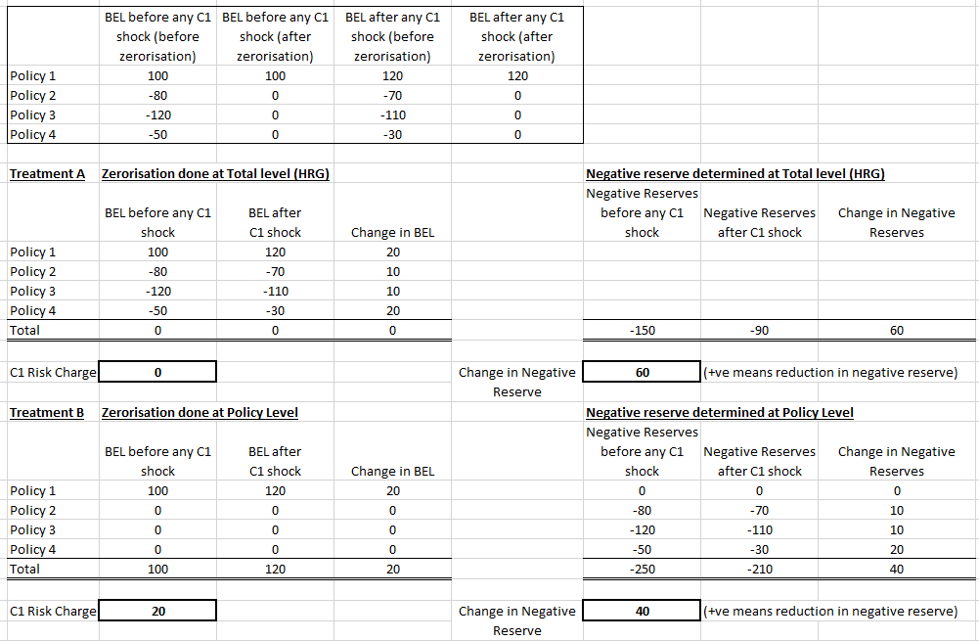 In the Q&A log, MAS has provided examples of how homogeneous risk grouping should be calculated. We would like to seek clarification on how this will be applied when BEL is negative. Should zerorisation still apply on the policy level? We have provided two examples (Treatment A and Treatment B) in the attachment below – please let us know which Treatment should be used for calculating C1 and negative reserves. | Zeroisation of negative reserves should still be applied at policy level. Hence, Treatment B should be used.
 | 2018-10-18 | 5 | Asset and Liability Valuation | Contract Boundary | In the Q&A log, MAS has given the feedback that it is up to the insurer to determine the appropriate repricing date. We would like to reiterate that the repricing date can occur in different intervals depending on various environmental and business factors e.g. claims experience, change in regulation, and business strategy. This could lead to instability in the reserves and some room for manipulation. Separately if repricing date is interpreted as a fixed date for all policies, this causes a fundamental valuation problem. As such, for the purpose of this QIS submission, we have taken the view that the repricing date will be based on policy renewal date given that it is the closest possible date for change in premiums from repricing. Riders will be aligned to the base plan accordingly. Please let us know if this is inconsistent with the MAS instructions. | In determining the repricing date, the insurer is expected to make reasonable judgement on what is the appropriate repricing date to assume based on information as at the valuation date (i.e. claims experience, pricing policy, business strategy). The insurer should be able to justify its selection of the repricing date. The repricing date is not meant to be a fixed cut-off date for valuation. The projection period in the valuation should consider the insurer’s contractual rights for each policy, and hence its practical ability to adjust the premium rates. If the insurer can only effect the premium rate changes at the next policy anniversary following the repricing date, the projection period should then be up till the said policy anniversary. Please see examples on the right. The same approach should be adopted for the riders attached to these long-term medical policies linked to national schemes, notwithstanding paragraph 3.13 in the technical specifications. | 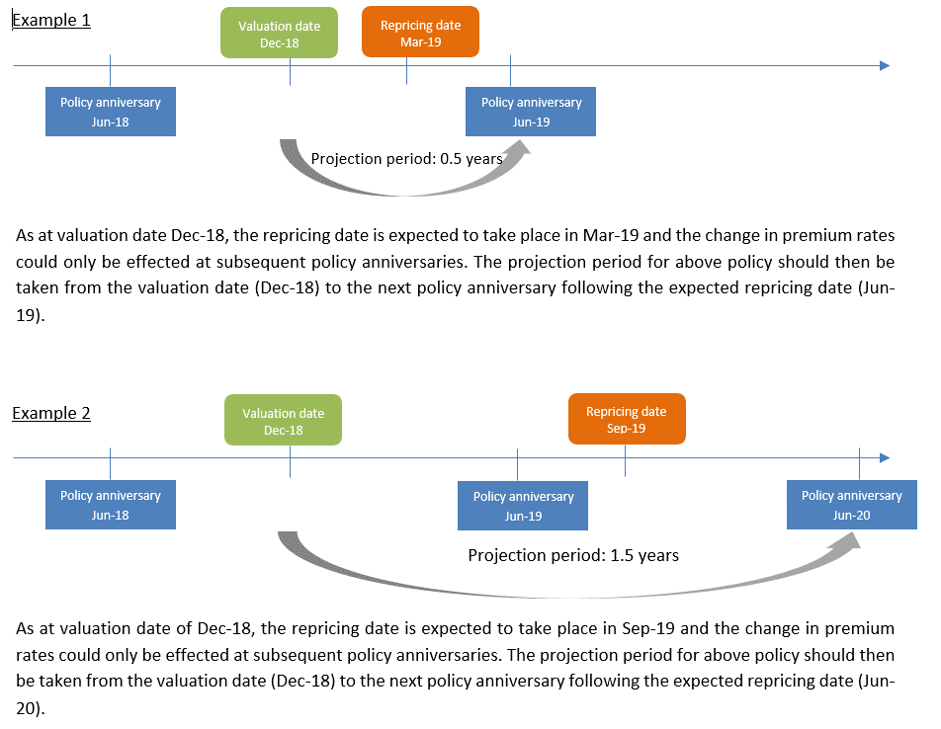
 | 2018-10-18 | 6 | Required Capital | C2 - Counterparty Default | Is counterparty default risk charge applicable to fixed assets? | There should not be risk charges for fixed assets that are not valued at market values.
 | 2018-10-18 | 7 | Required Capital | C2 - Counterparty Default | Intra-group balances not related to a contact of insurance is included in the counterparty risk requirement, however, under the current RBC intra-group balance is not admissible and adjusted under FR adjustment (Loans to, guarantees granted for, and other unsecured amounts owed to the insurer). To confirm there is a change and under the RBC2, intra-group balances will not be an FR adjustment? | Under RBC2, intra-group balances with related corporation will be treated as a financial resource adjustment. For unrelated corporations, it will be subject to counterparty default risk requirement. Please refer to the Companies Act for the definition of related corporation.
 | 2018-11-07 | 8 | Required Capital | C2 - Counterparty Default | Intra-group balances not related to a contract of insurance is subject to table 1 default risk charge (in the RBC2 spec), with no reference to aging. Insurer would like to confirm that this only pertains to secured amount and financial resource adjustment still applies to unsecured amount owed by a related corporation per the definition in First Schedule? | Similar to the response to Qn 7 and to further clarify, intra-group balances with related corporation and which is unsecured will be treated as a financial resource adjustment. For those that are with related corporation and is secured, it will be subject to counterparty default risk requirement.
 | 2018-11-07 | 9 | Required Capital | C2 - Interest Rate Mismatch | For treatment of bond repurchase agreements (repo) for interest rate mismatch risk requirement, please clarify the calculation methodology of interest rate mismatch risk requirement given that a repo remains exposed to interest rate movements since they are marked to market based on the underlying bond value movement. | MAS would like to seek feedback from the industry on the following approach of risk charging repo. Insurers can write in separately to MAS on the appropriateness of the proposed method, or include the feedback under "Other comments" in the Questionnaire. For the purposes of the impact study, please adopt the following approach: i. For the “repo-ed” security which remains on an insurer’s books, the applicable asset risk requirement (e.g. interest rate risk, credit spread risk, equity risk) on the “repo-ed” security will continue to apply, and the posted collateral received under a repo (recorded as receivable in balance sheet) will be subject to the counterparty risk requirement. ii. In addition to current applicable risk charges to assets on balance sheet, there is potential counterparty credit risk arising from the difference in the market value of the security “repo-ed” out and the collateral posted by the counterparty (buyer) (i.e. the uncollaterised credit exposure). Insurers are to compute additional counterparty risk requirement on the uncollateralised credit exposure. | Insurers may refer to the examples in the "Repo example" tab.
 | 2018-11-07 | 10 | Required Capital | C1 - Life Catastrophe | In the forms required for QIS3 submission, the C1_Catastrophe is defined as "Change in BEL" + "Claims". What does the "Claims" portion refer to? | Claims should consist of the total death claims for the next 12 months, after considering the increase in death rate from catastrophe.
 | 2018-11-07 | 11 | Asset and Liability Valuation | Matching Adjustment/Illiquidity Premium | 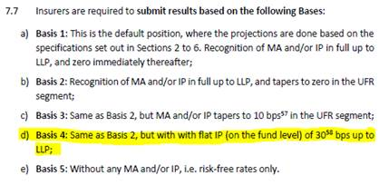 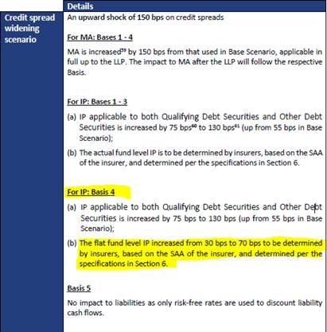 In "Submission Instruction" of the Technical Specs (page 46 onwards), there are 10 submission basis (5 base + 5 credit spread widening scenarios). Base and CS widening scenario 4 is as follows: From our understanding, Base Scenario 4 uses a flat IP of 30bps, instead of an IP calculated based on our SAA. Credit Spread Widening Scenario 4 hence increases the flat IP to 70bps. In this case, why does the wording for CS widening scenario 4 (highlighted above) still mention that the 70bps is based on the SAA of the insurer? | Yes, Basis 4 is meant to assess the impact of using a flat IP (of 30bps) and under the Credit Spread Widening Scenario for Basis 4, the flat IP is increased to 70bps and should not be based on the SAA of the insurer. We have included this in the 'Errata' tab.
 | 2018-11-07 | 12 | Required Capital | C2 - others | How should fixed assets such as cars be risk charged? | For fixed assets where a market value can be determined and currently risk charged under Table 13 of the Valuation and Capital Regulation, insurers are to retain the 8% risk charge factor. Please note that as mentioned in response to Qn 6, there should not be risk charges for fixed assets that are not determined at market value.
 | 2018-11-07 | 13 | Required Capital | C2 - Interest Rate Mismatch | For the computation of the Interest Rate Mismatch Requirement, how should the percentage adjustments specified on page 18 of the technical specifications be applied? | The percentage adjustments as specified on page 18 should be applied to the following: a) For policy liabilities, the risk free spot discount rates as prescribed under the scenario. The upward and downward interest rate adjustments should not be applied to the MA or IP spreads ; b) For assets, the government yield curve relevant to the asset. This treatment is consistent to MAS response to Qn 20 of QIS 2 Q&A log. Unfortunately footnote 23 on page 17 of the final technical specifications had not been updated to reflect this policy intent. We have included this in the 'Errata' tab.
 | 2018-11-09 | 14 | Required Capital | C1 - Life Catastrophe | For the computation of the Insurance Catastrophe Risk Requirement, can it consider effect of reinsurance? | Yes, catastrophe C1 should be computed net of the effect of reinsurance, if there is appropriate reinsurance arrangement in place.
New | 2018-11-15 | 15 | Available Capital | Concentration risk | Are the non-insurance operations of shareholders fund subject to adjustment for asset concentration under RBC2? It is not subject to C3 risk requirement under current RBC but we note that the relevant section in the RBC2 QIS form (“MAS_ImpactStudy (Sep2018).xlsx”) is not shaded grey which implies that input is required. | Adjustment for asset concentration is only applicable to insurance funds (and not shareholders fund) under RBC 2, which is consistent with the treatment for C3 risk requirement under current RBC. Hence, in the RBC 2 impact study spreadsheet, the relevant section on adjustment for asset concentration under shareholders fund can be left blank.
New | 2018-11-16 | 16 | Required Capital | C1 Risk Requirements | For foreign headquartered locally incorporated reinsurers, how should the simplified C1 requirement be included in the excel workbook. In the workbook, the C1 charges are calculated by the workbook based on changes in liabilities in response to the respective C1 shocks. However, C1 risk requirement for the OIF of foreign headquartered locally incorporated reinsurers is calculated using a simplified approach on a % of policy liabilities. | Please make the necessary manual inputs directly into the tabs “Fund Level Info” and “Form A”. For MAS' internal tracking and future enhancements, please describe in the Questionnaire the manual inputs that have been made to the excel workbook.
New | 2018-11-16 | 17 | Asset and Liability Valuation | Matching Adjustment | Do we have to submit one MA workbook for each of the MA portfolio? | Yes, for the purpose of our analysis for each MA portfolio, insurers have to complete and submit separate MA workbook for each MA portfolio.
New | 2018-11-16 | 18 | Others | Others | All worksheets are in thousand of Singapore dollars? Or just those worksheets as per indicated? | Yes, as per paragraph 7.3 of the technical specification, all amounts are to be shown in thousands of Singapore dollars (SGD).
New | 2018-11-19 | 19 | Others | Others | In the “Fund Level Info” tab, we noticed that the cell AO14 is shaded grey, meaning no input is allowed for Surplus of insurance fund for Non-Insurance Operations. We do have some Surplus of insurance fund which falls under this category – relating to our Share capital and retained earnings, and in the previous QIS2 submission, indicated accordingly as such. Please advise how should we present our Surplus of insurance fund for Non-Insurance Operations, as it’s not relating to Branch operations as well and thus should not sit with column AM and AN. Also, there is currently a mismatch between Form A and B’s Company Level CAR, due to share capital and Retained Earnings not included within SHF’s subsection of Overseas (Branch) Insurance Operations, as of yet. | For the purpose of this impact study, you may input shareholder fund’s available capital (i.e. paid-up ordinary share capital and retained earnings) into the “Surplus of Insurance Fund” under Shareholders Fund’s “Non-Insurance Operations”. Please un-grey these cells, as per the errata in next tab. Going forward, in the new RBC Form that combines existing Form 21, 22 and 23, it would appropriately allow for the reporting of the available capital in shareholder’s fund.

Errata
 | Last Updated Date | Item | Document | Description
 | 2018-11-07 | 1 | Technical Specifications for RBC 2 (7 September 2018) | 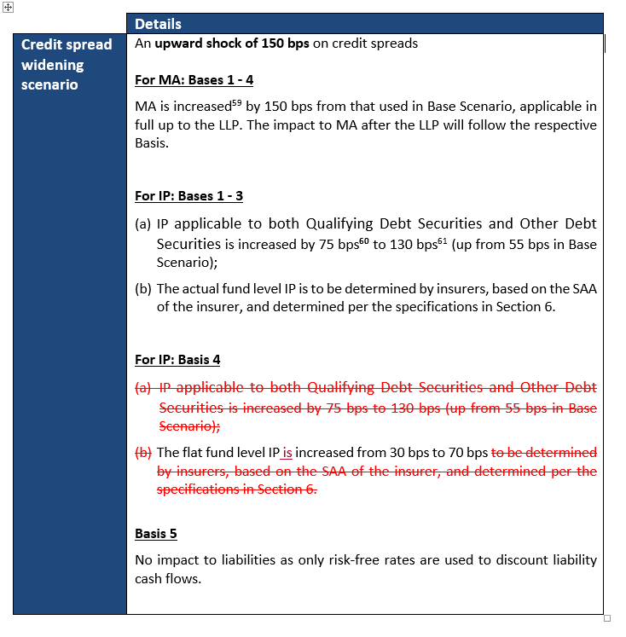 On pg 48 of the technical specifications issued on 7th of September 2018, the following edits (in red) should be made to reflect that Basis 4 is meant to assess the impact of using a flat IP (of 30bps) and under the Credit Spread Widening Scenario for Basis 4, the flat IP is increased to 70bps and should not be based on the SAA of the insurer.
 | 2018-11-07 | 2 | Technical Specifications for RBC 2 (7 September 2018) | On pg 17 of the technical specifications issued on 7th of September 2018, the following edits (in red) should be made to reflect
 | 2018-11-13 | 3 | Technical Specifications for RBC 2 (7 September 2018)
New | 2018-11-19 | 4 | Impact study workbook "MAS_ImpactStudy (Sep2018)" | In "Fund Level Info" tab, un-grey cell "AO15" In "Form A" tab, input the formula "='Fund Level Info'!AO15" into cell "AB14"

